Defect report
Prerequisite:
Application is up and running. User should be successfully redirect to the application
Features | Defect id | Issue type | Defect/Bug | Steps to reproduce | Expected behavior | Actual behavior | Test on Browsers | Attachment
Description_System Requirments | 1 | UI | First bullet point- Incorrect spelling of ability. | User is in requirement tab>> Read and verify the System requirments. | Spelling should be ability | Spelling is abbility | 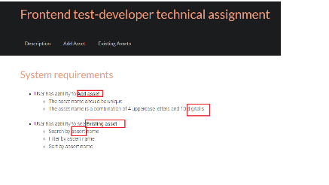 Chrome Version 97.0.4692.71 Microsoft Edge Version 97.0.1072.55
 | 2 | UI | First bollet point-Add asset(Typo error) | Read and verify the 'Add asset' in System requirments. | User informative words should be correct and same as the features. It should be 'Add Asset' | Its showing as 'Add asset' | Chrome Version 97.0.4692.71 Microsoft Edge Version 97.0.1072.55
 | 3 | UI | Spelling mistake-digitalis | Redirect to the application url->Read and verify the second cub bullet point of 'Add asset' in System requirments. | It should be digits | It is showing as 'digitalis' | Chrome Version 97.0.4692.71 Microsoft Edge Version 97.0.1072.55
 | 4 | UI | Typo error- 'Existing asset' | Verify the second main point 'Existing asset'. | User informative words should be correct and same as the features. It should be 'Existing Assets' | It is showing as 'Existing asset' | Chrome Version 97.0.4692.71 Microsoft Edge Version 97.0.1072.55
 | 5 | UI | Incorrect spelling-'assert'. -Search by assert name -Filter by assert name -Sort by assert name | Verify the sub bullet points of 'Existing asset' | It should be 'asset' | It is showing as 'assert' | Chrome Version 97.0.4692.71 Microsoft Edge Version 97.0.1072.55
Add Asset | 6 | UI | Incorrect spelling of asset in user validation popup. "Asset name should be unique. Assert with this name already exists" | Go to the Add Asset tab->Enter duplicate Asset id->verify the popup message. | It should be 'Asset' | It is showing as 'assert' | Chrome Version 97.0.4692.71 Microsoft Edge Version 97.0.1072.55
 | 7 | Functional | Validation popup is not getting disabled by pressing enter | Go to the Add Asset tab->Enter duplicate Asset id->press enter. | Validation pop should get disabled | By pressing enter popup is not get disabled. | Chrome Version 97.0.4692.71 Microsoft Edge Version 97.0.1072.55
Existing Assets | 8 | Functional | User redirects to the 1st page after sorting the Assets order | Go in to the Existing Assets tab->Go on the any page number->Select sorting order of assets(ascending or descending)-> Verify the page number | User should be on the same page after sorting. | USer moving to the first page after sorting | Chrome Version 97.0.4692.71 Microsoft Edge Version 97.0.1072.55

